unspecified treatment
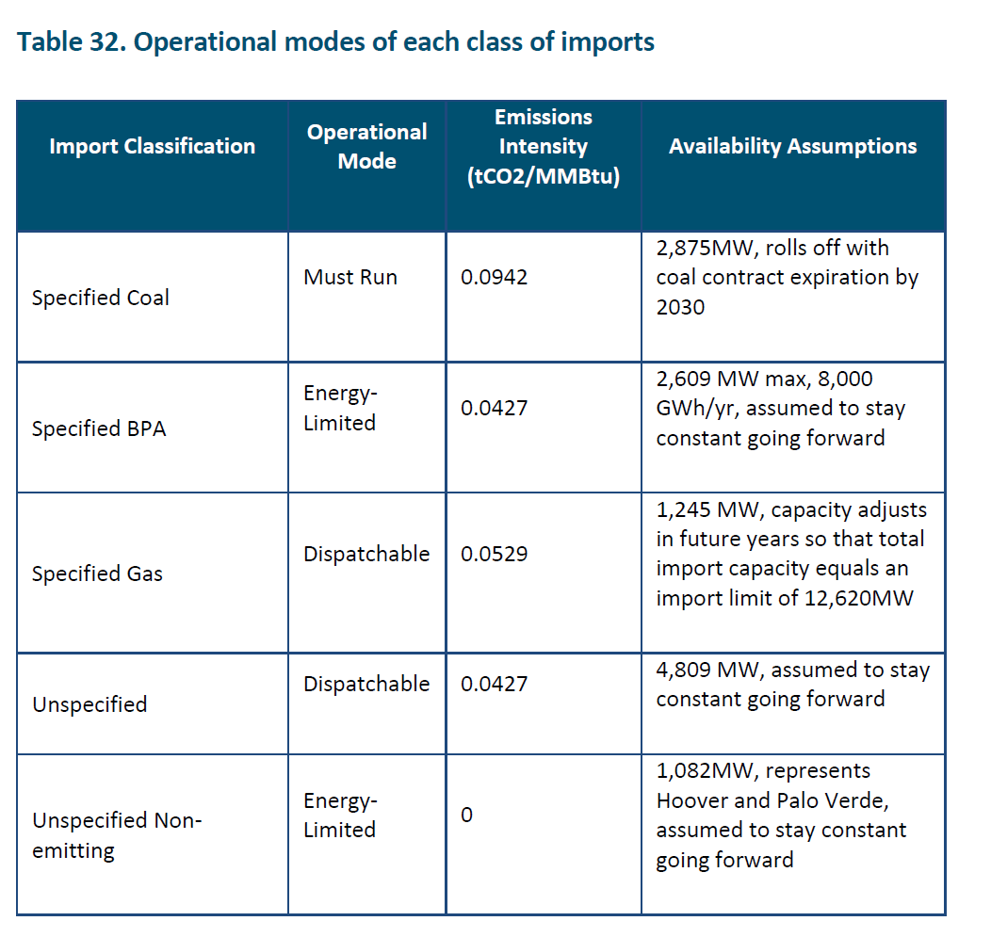
Unspecified imports in the initial year are attributed to technologies as follows.
They are assumed to follow the unspecified, dispatchable emission profile, which is consistent
with 80% generated by combined cycle natural gas and the remainder from zero emssions sources,
with 10% each going to nuclear and hydro.

The estimate of 80% gas follows on the ratio of unspecified, dispatchable resources over specified gas.
This leaves 20% unspecified, non emitting, divided between hyro and wind, in our estimation

